MSAS Summary Charts
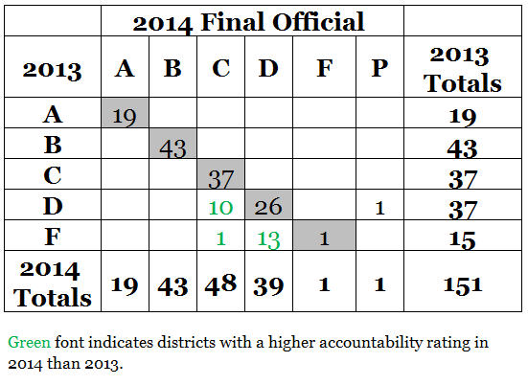
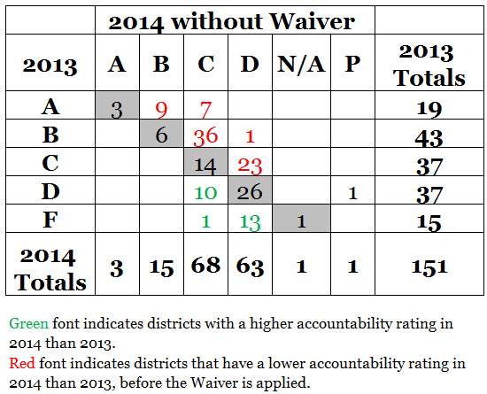
Districts
 | Number |  |  | Percentage
Label | 2012 | 2013 | 2014 | 2012 | 2013 | 2014
A | 3 | 19 | 19 | 2% | 13% | 13%
B | 47 | 43 | 43 | 31% | 28% | 28%
C | 42 | 37 | 48 | 28% | 25% | 32%
D | 37 | 37 | 39 | 24% | 25% | 26%
F | 20 | 15 | 1 | 13% | 10% | 1%
P* |  |  | 1 |  |  | 1%
Total | 152** | 151 | 151 | 98%** | 101% | 100%
C and Above | 92 | 99 | 110 | 61% | 66% | 73%
P*: Pending Assessment Investigation of Clarksdale Municipal School District
**Excellence for All districts did not receive grades in 2012.
Schools
 | Number |  |  | Percentage
Label | 2012 | 2013 | 2014 | 2012 | 2013 | 2014
A | 80 | 113 | 135 | 9% | 13% | 15%
B | 213 | 222 | 251 | 24% | 25% | 28%
C | 216 | 231 | 254 | 25% | 26% | 28%
D | 177 | 144 | 139 | 20% | 16% | 16%
F | 107 | 92 | 24 | 12% | 10% | 3%
P* |  |  | 9 |  |  | 1%
N** | 85 | 87 | 82 | 0.1 | 10% | 9%
Total | 878 | 889 | 894 | 100% | 100% | 100%
C and Above | 509 | 566 | 640 | 58% | 64% | 72%
P*: Pending Assessment Investigation of Clarksdale Municipal School District
N**: No grade assigned due to missing data (i.e., K-2, less than n-counts).

P*: Pending Assessment Investigation of Clarksdale Municipal School District

P*: Pending Assessment Investigation of Clarksdale Municipal School District
N/A: No grade assigned due to missing data (i.e., K-2, less than n-counts).

P*: Pending Assessment Investigation of Clarksdale Municipal School District

P*: Pending Assessment Investigation of Clarksdale Municipal School District
N/A: No grade assigned due to missing data (i.e., K-2, less than n-counts).

