Invoices
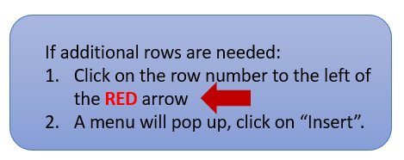
List of Paid Invoices
FY Period | Invoice # | Invoice Date | PO# | (for your use) | Invoice Amt
FY22 | 5101359912 | 7/6/2021 | 4000510561 |  | $31,080.00
FY22 | 5101351037 | 2021-08-26 | 4000510561 |  | $76,483.75
FY22 | 5101351038 | 2021-08-26 | 4000510561 |  | $81,134.00
FY23 | 2223-046 | 2023-01-18 | 4000580013 |  | $49,875.00
FY23 | 2223-321 | 2023-04-15 | 4000580013 |  | $27,000.00
FY24 | 45001/3 | 2023-11-20 | 4000599917

